Add Service
Function Code |  | 1 |  | Screen Display |  |  |  |  |  | Add Service
Created By |  | thaont004 |  | Executed By
Lines of code |  |  |  | Lack of test cases |  |  |  |  |  | 0
Test requirement |  | ‘Service Details’ screen is displayed including three tabs: Details 1, Details 2 and Details 3 to allow user to enter Service fields for new one.
Passed |  | Failed |  | Untested |  |  |  |  |  | N/A/B |  |  | Total Test Cases
8 |  | 2 |  | 5 |  |  |  |  |  | 10 | 10 | 9 | 15

 |  |  |  | UTCID01 | UTCID01 | UTCID01 | UTCID01 | UTCID01 | UTCID01 | UTCID01 | UTCID01 | UTCID01 | UTCID10 | UTCID11 | UTCID12 | UTCID13 | UTCID14 | UTCID15
Condition | Tab Details 1
 | Label | Service Name | Show | O | O | O | O | O | O | O | O | O
 |  | Service Short Description | Show | O | O | O | O | O | O | O | O | O
 |  | Client Description | Show | O | O | O | O | O | O | O | O | O
 |  | Service Attendance | Show | O | O | O | O | O | O | O | O | O
 |  | Service Start Expected | Show | O | O | O | O | O | O | O | O | O
 |  | Sub Type | Show | O | O | O | O | O | O | O | O | O
 |  | Lead Contact | Show | O | O | O | O | O | O | O | O | O
 |  | Service Active | Show | O | O | O | O | O | O | O | O | O
 |  | Service Type | Show | O | O | O | O | O | O | O | O | O
 |  | Contract Staged Payment | Show | O | O | O | O | O | O | O | O | O
 |  | Referral Process/Method | Show | O | O | O | O | O | O | O | O | O
 |  | Service Time Limited | Show | O | O | O | O | O | O | O | O | O
 |  | Service Start Expected | Show | O | O | O | O | O | O | O | O | O
 |  | Service Start Date | Show | O | O | O | O | O | O | O | O | O
 |  | Service End Date | Show | O | O | O | O | O | O | O | O | O
 |  | Service Extendable | Show | O | O | O | O | O | O | O | O | O
 |  | Service Full Description | Show | O | O | O | O | O | O | O | O | O
 |  | Dept Code | Show | O | O | O | O | O | O | O | O | O
 |  | Service Description- Delivery | Show | O | O | O | O | O | O | O | O | O
 |  | Service Contract Code | Show | O
 |  | Service Contract Value | Show | O

 | Textbox | Service Name | Mandatory and Unique |  |  |  |  | O | O | O | O | O
 |  | Service Short Description | Mandatory |  |  |  |  |  | O | O | O | O
 |  | Client Description
 |  | Service Attendance
 |  | Service Start Expected
 |  | Service Start Date
 |  | Service End Date
 |  | Service Full Description
 |  | Dept Code | Mandatory |  |  |  |  |  |  | O | O | O
 |  | Service Description- Delivery
 |  | Service Contract Code
 |  | Service Contract Value

 | Check box | Service Extendanble | no tick | O
 |  |  | tick |  | O | O | O | O | O | O | O | O
 |  | Service Active | no tick
 |  |  | tick
 |  | Contract Staged Payment | no tick |  |  |  | O | O | O | O | O | O
 |  |  | tick
 |  | Service Time Limited | no tick
 |  |  | tick |  | O | O | O | O | O | O | O | O

 | Link lable | Lead Contact look up | click |  | O | O | O | O | O | O | O | O
 |  |  | no click

 | Dropdownlist | Sub Type | Contract selected |  | O | O | O | O | O | O | O | O
 |  |  | Contract not selected
 |  | Service Extendanble
 |  | Service Extendanble checked | Years |  | O | O | O | O | O | O | O | O
 |  |  | Month |  | O | O | O | O | O | O | O | O
 |  | Service Type | Independently selected |  |  | O | O | O | O | O | O | O
 |  |  | Independently not selected
 |  | Referral Process/Method
 |  | Service Time Limited | Years |  | O | O | O | O | O | O | O | O
 |  |  | Month |  | O | O | O | O | O | O | O | O
 | Details 2
 | Label | Service Benefit Criterion | Show |  |  |  | O | O | O | O | O | O
 |  | Service Berriers Criterion | Show |  |  |  | O | O | O | O | O | O
 |  | Service Ethnicity Criterion | Show |  |  |  | O | O | O | O | O | O
 |  | Service Disability Criterion | Show |  |  |  | O | O | O | O | O | O
 |  | Service Personal Circumstances Criterion | Show |  |  |  | O | O | O | O | O | O
 |  | Other Service Participation Criterion | Show |  |  |  | O | O | O | O | O | O

 | List Checkbox | Service Benefit Criterion |  |  |  |  | O | O | O | O | O | O
 |  | Service Berriers Criterion |  |  |  |  | O | O | O | O | O | O
 |  | Service Ethnicity Criterion |  |  |  |  | O | O | O | O | O | O
 |  | Service Disability Criterion |  |  |  |  | O | O | O | O | O | O
 |  | Service Personal Circumstances Criterion |  |  |  |  | O | O | O | O | O | O
 |  | Other Service Participation Criterion |  |  |  |  | O | O | O | O | O | O
 | Details 3
 | Label | Client Support Process | Show |  |  |  | O | O | O | O | O | O
 |  | Intervention | Show |  |  |  | O | O | O | O | O | O
 |  | Client Journey | Show |  |  |  | O | O | O | O | O | O
 |  | Other Service | Show |  |  |  | O | O | O | O | O | O
 |  | Support Centes | Show |  |  |  | O | O | O | O | O | O
 |  | Client Outcome | Show |  |  |  | O | O | O | O | O | O
 |  | Target Client | Show |  |  |  | O | O | O | O | O | O
 |  | Accreditations | Show |  |  |  | O | O | O | O | O | O
 |  | Referral Sources | Show |  |  |  | O | O | O | O | O | O
 |  | Programme | Show |  |  |  | O | O | O | O | O | O

 | List Checkbox | Client Support Process |  |  |  |  | O | O | O | O | O | O
 |  | Intervention |  |  |  |  | O | O | O | O | O | O
 |  | Client Journey |  |  |  |  | O | O | O | O | O | O
 |  | Other Service |  |  |  |  | O | O | O | O | O | O
 |  | Support Centes |  |  |  |  | O | O | O | O | O | O
 |  | Client Outcome |  |  |  |  | O | O | O | O | O | O
 |  | Target Client |  |  |  |  | O | O | O | O | O | O
 |  | Accreditations |  |  |  |  | O | O | O | O | O | O
 |  | Referral Sources |  |  |  |  | O | O | O | O | O | O

 | Dropdownlist | Programme | select |  |  |  | O | O | O | O | O | O

 | Contract
 | Label | Contract Outcome | Show |  |  |  | O | O | O | O | O | O
 |  | Contact Obligation | Show |  |  |  | O | O | O | O | O | O
 |  | Participation | Show |  |  |  | O | O | O | O | O | O

 | List Checkbox | Contract Outcome |  |  |  |  | O | O | O | O | O | O
 |  | Contract Obligation |  |  |  |  | O | O | O | O | O | O

 | Dropdownlist | Participation

 | Funding
 | Label | Funding Amount | Show
 |  | Fundraising For Text | Show
 |  | Fundraising Why | Show
 |  | Fundraising Donor Amount | Show
 |  | Funding Needs | Show
 |  | Funding Continuation Amount | Show
 |  | Funding Continuation Details | Show
 |  | Fundraising Needs | Show
 |  | Funding Contact Details | Show
 |  | Funding Start | Show
 |  | Funding End | Show
 |  | Fundraising Required By | Show
 |  | Fundraising Donation Date | Show
 |  | Fundraising Donor Anonymous | Show
 |  | Funding Continuation Needed | Show
 |  | Fundraising Complete | Show
 |  | Fundraising Donation Incremental | Show

 | Textbox | Funding Amount
 |  | Fundraising For Text
 |  | Fundraising Why
 |  | Fundraising Donor Amount
 |  | Funding Needs
 |  | Funding Continuation Amount
 |  | Funding Continuation Details
 |  | Fundraising Needs

 | Link | Funding Contact Details
 |  | Funding Start
 |  | Funding End
 |  | Fundraising Required By
 |  | Fundraising Donation Date

 | Checkbox | Fundraising Donor Anonymous
 |  | Funding Continuation Needed
 |  | Fundraising Complete
 |  | Fundraising Donation Incremental

 | Button | In-active | Click
 |  |  | No click
 |  | Save | click |  |  |  | O | O | O | O | O | O
 |  |  | No click
 |  | Back | click
 |  |  | No click |  |  |  |  |  |  |  |  |  | O
Confirm | Return
 |  | Lead Contact Lookup | Display |  |  |  | O | O | O | O | O | O
 |  |  | No display
 |  | Service Extendable checked | Years display |  |  |  | O | O | O | O | O | O
 |  |  | Month display |  |  |  | O | O | O | O | O | O
 |  | Service Time Limited Period |  |  |  |  | O | O | O | O | O | O
 |  | Contract tab display |  |  | O | O | O | O | O | O | O | O
 |  | Participation | Mandatory
 |  |  | Voluntary
 |  |  | Both
 |  | Funding tab display
 |  | Contact tab display |  |  | O | O | O | O | O | O | O | O
 |  | Funding Continuation Amount and Funding Continuation Detais | Enabled
 |  |  | Disable
 |  | Funding Amount | format 999999999.99
 |  |  | not format 999999999.99
 |  | Funding Needs | format 999999999.99
 |  |  | not format 999999999.99
 |  | Fundraising Needs | format 999999999.99
 |  |  | not format 999999999.99
 |  | Donor Amount | format 999999999.99
 |  |  | not format 999999999.99
 |  | Service List screen display |  |  |  |  |  |  |  |  |  |  | O

 | Exception

 | Log message | Please input the Service Name | Display |  |  |  | O
 |  |  | No display
 |  | Please input the Service Short Description | Display |  |  |  | O | O
 |  |  | No display
 |  | Please input the Sub Type | Display
 |  |  | No display
 |  | Please input the Contact Details | Display
 |  |  | No display
 |  | Please select the Funding Contact Details | Display
 |  |  | No display
 |  | Please select the Service Type | Display
 |  |  | No display
 |  | Please select the Lead Contact | Display
 |  |  | No display
 |  | Please input the Dept Code | Display |  |  |  | O | O | O
 |  |  | No display
 |  | Add Service successful
 |  | Start Date must be<= ngày hiện tại | Display |  |  |  | O | O | O | O
 |  |  | No display

Result
 | Type(N : Normal, A : Abnormal, B : Boundary) |  |  | N | N | N | N | N | N | N | N | N | N
 | Passed/Failed |  |  | F | P | F | P | P | P | P | P | P | P
 | Executed Date
 | Defect ID

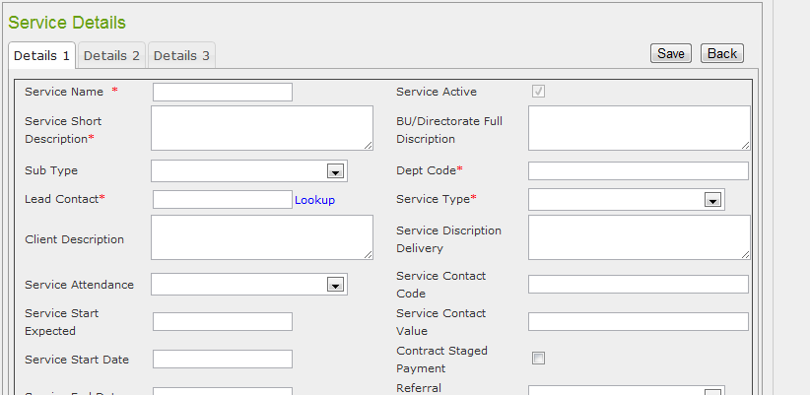

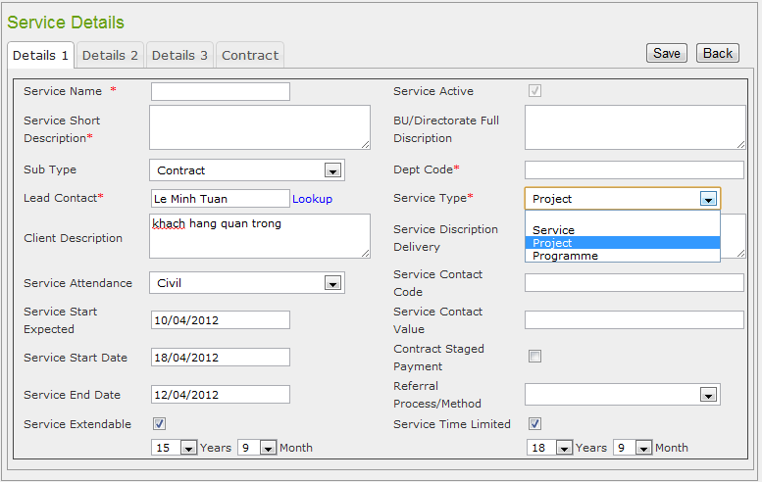

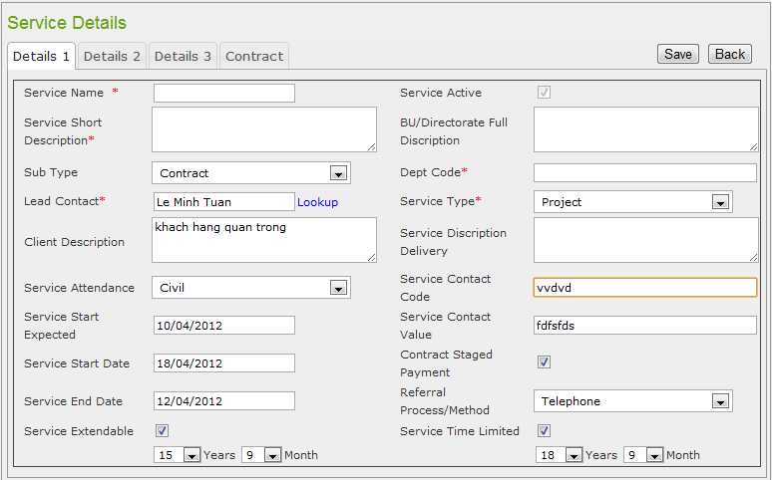

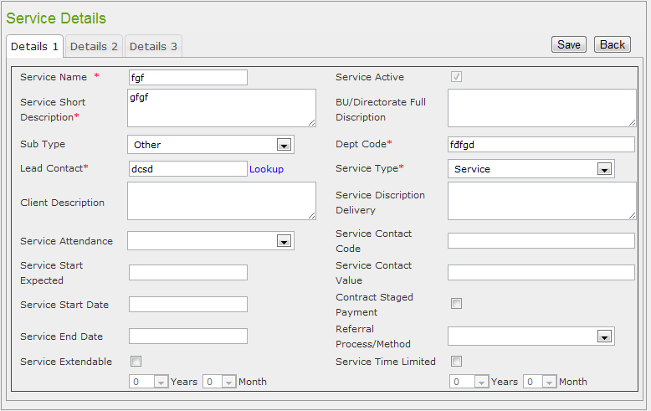

 |  |  |  |  |  |  |  |  |  |  | Depcode phải nhập kiểu số

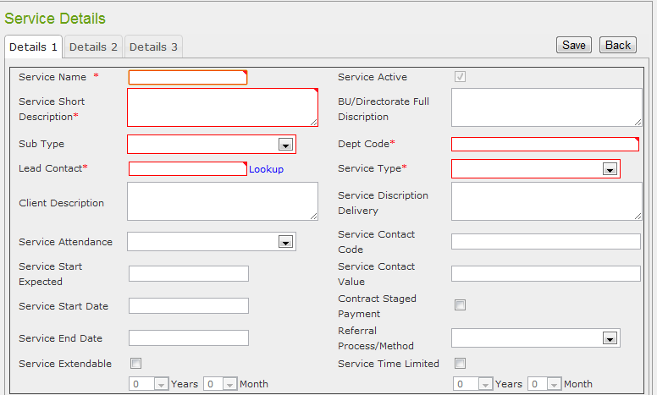

 |  |  |  |  |  |  |  |  |  | Trường Subtype không bắt buộc chọn phần tử
 |  |  |  |  |  |  |  |  |  | Và cũng không cần phải thông báo chọn phần tử bên dưới

Amend Service
Function Code |  | 1 |  | Screen Display |  |  |  |  |  | Amend Service
Created By |  | thaont004 |  | Executed By
Lines of code |  |  |  | Lack of test cases |  |  |  |  |  | 0
Test requirement |  | By selecting an active Service from the list, the Service Details screen is displaying allowing user to amend.
Passed |  | Failed |  | Untested |  |  |  |  |  | N/A/B |  |  | Total Test Cases
2 |  | 0 |  | 13 |  |  |  |  |  | 2 | 0 | 0 | 15

 |  |  |  | UTCID01 | UTCID01 | UTCID03 | UTCID04 | UTCID05 | UTCID06 | UTCID07 | UTCID08 | UTCID09 | UTCID10 | UTCID11 | UTCID12 | UTCID13 | UTCID14 | UTCID15
Condition | Tab Details 1
 | Label | Service Name | Show | O | O
 |  | Service Short Description | Show | O | O
 |  | Service Attendance | Show | O | O
 |  | Service Start Expected | Show | O | O
 |  | Sub Type | Show | O | O
 |  | Lead Contact | Show | O | O
 |  | Service Attendance | Show | O | O
 |  | Service Active | Show | O | O
 |  | Service Type | Show | O | O
 |  | Contract Staged Payment | Show | O | O
 |  | Referral Process/Method | Show | O | O
 |  | Service Time Limited | Show | O | O
 |  | Service Start Expected | Show | O | O
 |  | Service Start Date | Show | O | O
 |  | Service End Date | Show | O | O
 |  | Service Extendable | Show | O | O
 |  | Service Start Date | Show | O | O
 |  | Service End Date | Show | O | O
 |  | Service Full Description | Show | O | O
 |  | Dept Code | Show | O | O
 |  | Service Description- Delivery | Show | O | O
 |  | Service Contract Code | Show | O | O
 |  | Service Contract Value | Show | O | O

 | Textbox | Service Name |  | O | O
 |  | Service Short Description |  | O | O
 |  | Client Description |  | O | O
 |  | Service Attendance |  | O | O
 |  | Service Start Expected |  | O | O
 |  | Service Start Date |  | O | O
 |  | Service End Date |  | O | O
 |  | Service Full Description |  | O | O
 |  | Dept Code |  | O | O
 |  | Service Description- Delivery |  | O | O
 |  | Service Contract Code |  | O | O
 |  | Service Contract Value |  | O | O

 | Check box | Service Extendanble | no tick | O | O
 |  |  | tick
 |  | Service Active | no tick | O | O
 |  |  | tick
 |  | Contract Staged Payment | no tick | O | O
 |  |  | tick
 |  | Service Time Limited | no tick | O | O
 |  |  | tick

 | Link lable | Lead Contact look up | click | O | O
 |  |  | no click

 | Dropdownlist | Sub Type | Independently selected
 |  |  | Independently not selected
 |  | Service Extendanble
 |  | Service Extendanble checked | Years
 |  |  | Month
 |  | Service Type
 |  | Referral Process/Method
 |  | Service Time Limited | Years
 |  |  | Month
 | Details 2
 | Label | Service Benefit Criterion | Show
 |  | Service Berriers Criterion | Show
 |  | Service Ethnicity Criterion | Show
 |  | Service Disability Criterion | Show
 |  | Service Personal Circumstances Criterion | Show
 |  | Other Service Participation Criterion | Show

 | List Checkbox | Service Benefit Criterion
 |  | Service Berriers Criterion
 |  | Service Ethnicity Criterion
 |  | Service Disability Criterion
 |  | Service Personal Circumstances Criterion
 |  | Other Service Participation Criterion
 | Details 3
 | Label | Client Support Process | Show
 |  | Intervention | Show
 |  | Client Journey | Show
 |  | Other Service | Show
 |  | Support Centes | Show
 |  | Client Outcome | Show
 |  | Target Client | Show
 |  | Accreditations | Show
 |  | Referral Sources | Show
 |  | Programme | Show

 | List Checkbox | Client Support Process
 |  | Intervention
 |  | Client Journey
 |  | Other Service
 |  | Support Centes
 |  | Client Outcome
 |  | Target Client
 |  | Accreditations
 |  | Referral Sources

 | Dropdownlist | Programme

 | Organisation
 | Columns | Organisation Name
 |  | Description
 |  | Roles
 | Link | Edit Roles

 | Premise
 | Columns | Premise Name
 |  | Address
 |  | Phone Number
 |  | Project Code
 | Link | Remove
 | Button | Associate new primise | Click
 |  |  | No Click

 | Change Role of Organisation
 | Check | Funder | Show
 |  | Lead | Show
 |  | Delivery | Show
 |  | Audior | Show

 | Button | OK | Click
 |  | Cancel | Click

 | Funding
 | Label | Funding Amount | Show
 |  | Fundraising For Text | Show
 |  | Fundraising Why | Show
 |  | Fundraising Donor Amount | Show
 |  | Funding Needs | Show
 |  | Funding Continuation Amount | Show
 |  | Funding Continuation Details | Show
 |  | Fundraising Needs | Show
 |  | Funding Contact Details | Show
 |  | Funding Start | Show
 |  | Funding End | Show
 |  | Fundraising Required By | Show
 |  | Fundraising Donation Date | Show
 |  | Fundraising Donor Anonymous | Show
 |  | Funding Continuation Needed | Show
 |  | Fundraising Complete | Show
 |  | Fundraising Donation Incremental | Show

 | Textbox | Funding Amount | text change
 |  | Fundraising For Text | text change
 |  | Fundraising Why | text change
 |  | Fundraising Donor Amount | text change
 |  | Funding Needs | text change
 |  | Funding Continuation Amount | text change
 |  | Funding Continuation Details | text change
 |  | Fundraising Needs | text change

 | Link | Funding Contact Details | click
 |  | Funding Start | click
 |  | Funding End | click
 |  | Fundraising Required By | click
 |  | Fundraising Donation Date | click

 | Checkbox | Fundraising Donor Anonymous | checked
 |  | Funding Continuation Needed | checked
 |  | Fundraising Complete | checked
 |  | Fundraising Donation Incremental | checked

 | Click | Save | Click
 |  |  | No click
 |  | Back | click
 |  |  | No click
 |  | In-active | Click
 |  |  | No click
 |  | Select | Click
 |  |  | No click
Confirm | Return
 |  | Change Roles of Organisation | Display
 |  |  | No display
 |  | Premise Active | Display
 |  |  | No display
 |  | Contact lookup display |  | O | O

 | Exception

 | Log message | Funding Amount is not correct money field, in Funding tab |  | O | O

Result
 | Type(N : Normal, A : Abnormal, B : Boundary) |  |  | N | N
 | Passed/Failed |  |  | P | P
 | Executed Date
 | Defect ID

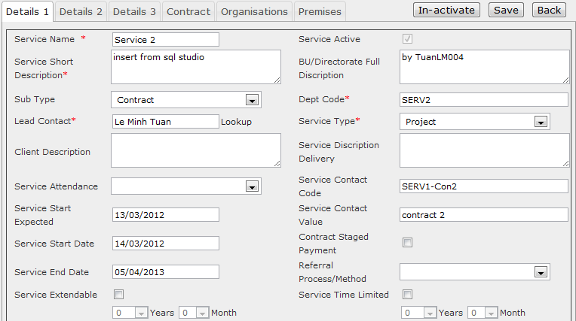

 |  |  |  |  |  |  |  |  | Lỗi label: BU/Directorate Full Description ---> Service Full Description

